User guide
Using the stakeholder register template
Make sure the macros are activated for the correct functioning of the template.

I. How to use the template
1. Start by completing the "Stakeholder Register" sheet as follows:
ID : | This field is filled in automatically by filling out the ID
Name: | Enter the name of the stakeholder
Type: | Is it an internal or external person (Supplier, consultant, etc.)
Role: | Indicate the role of the person in the organization
Interest: | Choose the person's level of interest in the project. The interest is either low or high.
Power (authority): | Choose the level of influence and authority the person has over the project. There are two levels of power: low or high
Strategy: | This is the strategy to adopt towards the concerned stakeholder, based on their level of authority and interest. This data is automatically filled in according to the following rule:

 |  | High interest | And | High power | => | Key Actor
 |  | Low interest | And | High power | => | Keep Satisfied
 |  | High interest | And | Low power | => | Keep Informed
 |  | Low interest | And | Low power | => | Minimal effort

 | The line is also automatically colored depending on the chosen strategy
Contribution: | What contribution can this stakeholder have to the project?
Expectations: | What are the expectations of this person in the project (Ex: simplify a process, increase sales, ensure mobility, etc.)?
Contact: | Enter the stakeholder email address

2. The Power-Interest Matrix
Depending on the strategy written in the "stakeholder register", the name of this stakeholder will be automatically added on the "Power-Interest matrix" sheet, in the appropriate field, as shown in the example below:
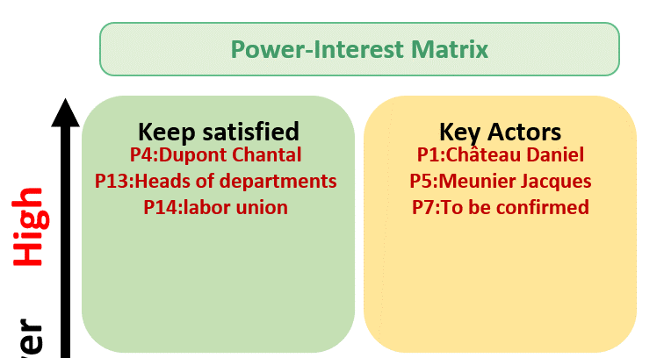

The purpose of this exercise is to have a synthetic vision of the strategy to be adopted with each stakeholder.
On the legend, you will find the attitude to adopt for each strategy.

II. Template Customization
"Stakeholder register" sheet
To add a row at the end of the table, just double click in the box belonging to the ID column

"Setting" Sheet
Unlock the sheet using the password provided
If you want to modify an element in the settings, you must use the password provided, as shown in the screenshot below.
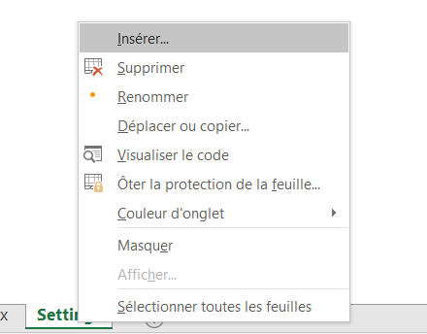

Addition, deletion, or modification of the type of the stakeholder
Any modification is possible from the "Settings" sheet.
To add a new type, type the new label just below the last line, as shown in the screenshot below:

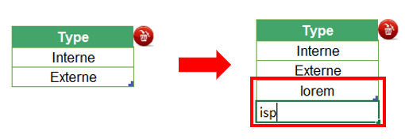

To delete any type, you should select the field to be deleted. Then click on the delete button in red, as shown in the screenshot below:
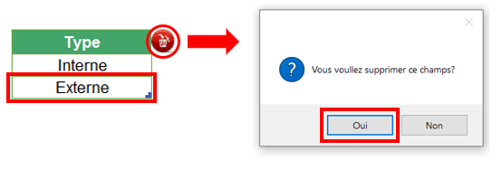

To change the wording, replace the existing wording with the new one.

Addition of a column in the "stakeholder register" sheet
Note that if you add a column, you shift the other columns that follow a certain order. Therefore, it will be necessary to update the order numbers of the columns on the parameter setting for a better functioning of the macro. Here is what it looks like:

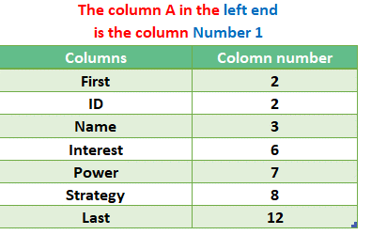

You can see in the image above that the "Strategy" column (column H) is the 8th column starting from the left. So if you add a column, you should adjust the order of the other columns mentioned on the table of the "Settings" sheet. Thus, if you add a column to the right of column H (Strategy), the "Last" column will take the number 13 in the parameters instead of 12, since there has been a shift of one column.

Stakeholders Register
Stakeholders Register

Name /Project code |  | SAP30 / CMRL |  |  |  |  |  |  | Creation date | 2022-05-01

Reference |  | Strategy2022/CMRL |  |  |  |  |  |  | Version date | 2022-05-05

Project manager |  | Mme Dupont |  |  |  |  |  |  | Version number | V1.3

Service/Organization |  | Confassis S.A.

ID | Name | Type | Position | Interest | Power | Strategy | Contributions | Expectation | Actions (Communication plan) | Contact
P1 | Château Daniel | Internal | IT Director | High | High | Key actor | Resource allocation | Scope and deadlines | - Invite to management committee - Share the schedule regularly - Keeping abreast of changes in scope | ChateauD@confassis.com
P2 | Puccini Gilles | Internal | General manager | High | Low | Keep informed | Budget allocation | Deadline | - Invite to management committee - Share the schedule regularly - Share budget monitoring | PucciniG@confassis.com
P3 | Gaveau Thierry | Internal | CMRL Director | Low | Low | Minimal effort | Scope | Scope and deadline | - Invite to management committee - Share the scope evolution - Share the schedule regularly | GaveauT@confassis.com
P4 | Dupont Chantal | Internal | Project manager | Low | High | Keep satisfied | Project manager | Scope and deadline | - Invite to management committee - Share the quality plan | DupontC@confassis.com
P5 | Meunier Jacques | Internal | Administrative Officer | High | High | Key actor | Integration and Training | Scope and deadline | - Invite to management committee - Share the risk matrix | MeunierJ@confassis.com
P6 | Robespierre Olivier | Internal | CMRL Financial Director | High | Low | Keep informed | Sponsor | Budget | - Invite to management committee - Share budget monitoring | RobespierreO@confassis.com
P7 | To be confirmed | Internal | Change manager | High | High | Key actor | Communication and coordination | Scope and deadline | - Invite to management committee - Share all changes in scope - Share the schedule regularly
P8 | Attali Denise | Internal | SAP Sales Coordinator | Low | Low | Minimal effort | SAP Sales Process Specialist | Scope and deadline | share the "meeting minutes" with project committee | AttaliD@confassis.com
P9 | Davant Monique | Internal | SAP Finance Coordinator | High | Low | Keep informed | SAP Finance Process Specialist | Scope and deadline | share the "meeting minutes" with project committee | DavantM@confassis.com
P10 | Albert Jean | Internal | SAP Purchasing Coordinator | High | Low | Keep informed | SAP Purchasing process specialist | Scope and deadline | share the "meeting minutes" with project committee | AlbertJ@confassis.com
P11 | Duteil Eric | Internal | SAP Logistics Coordinator | High | Low | Keep informed | SAP logistics process specialist | Scope and deadline | share the "meeting minutes" with project committee | DuteilE@confassis.com
P12 | CMRL User | Internal | Future SAP users | Low | Low | Minimal effort | End users | Scope | No action
P13 | Heads of department | Internal | Head of department | Low | High | Keep satisfied | Validations | No disturbance | - Organize a monthly meeting
P14 | Labor union | Internal | Staff representatives | Low | High | Keep satisfied | Claims | No disturbance | - Organize a monthly meeting

Power Interest Matrix
Power-Interest Matrix
Keep Satisfied
Minimal Effort
Key Actors
Keep Informed
Low INTEREST HIGH
Weak Power High

P4:Dupont Chantal P13:Heads of department
P14:Labor union
P1:Château Daniel P5:Meunier Jacques
P7:To be confirmed
Project Name | SAP30 / CMRL

Project manager | Mme Dupont

Organization | Confassis S.A.

Creation date | 2022-05-01

Version date | 2022-05-05

Version N° | V1.3

P3:Gaveau Thierry P8:Attali Denise
P12:CMRL User
P2:Puccini Gilles P6:Robespierre Olivier P9:Davant Monique P10:Albert Jean
P11:Duteil Eric
Legend
This group is the most important part of the project and it should be managed as the main partner, the acceptability of decisions for this group is a major consideration for the project management team

This is the most difficult group to manage. Their level of interest in the project remains low as long as they are satisfied. If they become dissatisfied, because of their position of power, they can easily negatively impact the project.

This group will need to be fully informed of the major decisions of the project. Establishing and maintaining good communication with this group is essential.

This group requires minimal effort from the project manager. Their level of interest is very low but they have almost no influence on the project.

